Sheet1
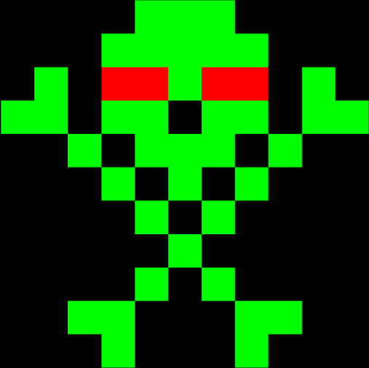
 | 0 | 1 | 2 | 3 | 4 | 5 | 6 | 7 | 8 | 9 | 10
0 | x | x | x | x | G | G | G | x | x | x | x | x | Black
1 | x | x | x | G | G | G | G | G | x | x | x | B | Blue
2 | x | G | x | R | R | G | R | R | x | G | x | O | Orange
3 | G | G | x | G | G | x | G | G | x | G | G | W | White
4 | x | x | G | x | G | G | G | x | G | x | x | P | Pink
5 | x | x | x | G | x | G | x | G | x | x | x | R | Red
6 | x | x | x | x | G | x | G | x | x | x | x | g | Grey
7 | x | x | x | x | x | G | x | x | x | x | x | Y | Yellow
8 | x | x | x | x | G | x | G | x | x | x | x | V | Violet (Purple)
9 | x | x | G | G | x | x | x | G | G | x | x | G | Green
10 | x | x | x | G | x | x | x | G | x | x | x

xxxxGGGxxxx
xxxGGGGGxxx
xGxRRGRRxGx
GGxGGxGGxGG
xxGxGGGxGxx
xxxGxGxGxxx
xxxxGxGxxxx
xxxxxGxxxxx
xxxxGxGxxxx
xxGGxxxGGxx
xxxGxxxGxxx

